Diet calculator
INSTRUCTIONS Version V2025a modified 10 Apr 2025
This calculator compares the essential amino acid (EAA) profile of any formulated diet or combination of diet components to the EAA ratios suggested by either de Groot or Randy (normalized to leucine, since leucine is the predominate EAA , to which the other EAAs must be in balance to fully utilize the leucine in a diet).
A simple formulated diet is shown as an example. To create your own diet, delete all the numbers in the colored cells of Row 19 (Pounds of each feedstuff), and input your own (the numbers will be saved in Row 18).
1. Demonstration: After erasing the numbers in Row 19, type any number of pounds into either cell C3 (pink) or D3 (orange) to see how closely royal jelly or nutritious polllen matches the recommendations (erase that inputted number afterwards).
2. If you have an analysis for a preformulated diet or pollen: enter the values (g/100 g) in the green cells of Column E, and type any number into cell E19.
3. If you wish to add an analysis of a single feedstuff component: enter it into the dark blue cells in Columns U or V.
4. If you want to formulate your own diet: First clear all the yellow cells into Row 19 (Pounds of each feedstuff) , then enter numbers representing the pounds of your ingredients into the yellow cells of Row 19 -- they'll be converted to percentages of the total diet in Row 20 below (Caution: feedstock analyses vary greatly, the assumed values below may not represent your source). Then adjust the green columns in the resulting chart by changing proportions, and/or adding concentrated amino acids in the light blue cells in Row 19 (EAA concentrates are readily available).
The goal is to get all the green columns (representing your diet) at or above the height of the suggested ratios. If a green column is lower, it indicates that the diet may be deficient in that amino acid, and not all the leucine in the diet can be utilized.

 |  |  |  |  |  |  |  |  |  |  |  |  |  |  |  |  |  | PROTEIN: Assuming that you included sugar, water, and oil weights, aim for 15-25% total protein. For protein sources only, aim for 30-50% dry weight. There may be benefit to having some amount of indigestible fiber in the diet.

 |  |  |  |  |  |  |  |  |  |  |  |  |  |  |  |  |  | Your diet g |  | 12% | fWet weight % total protein dry weightg |  |  |  |  | 51%

 |  |  |  |  |  |  |  |  |  |  |  |  |  |  |  |  |  | AMINO ACIDS: Non-essential aminos are necessary too. In general, aim for the EAAs to account for only 40-50% of the total protein.

 |  |  |  |  |  |  |  |  |  |  |  |  |  |  |  |  |  | Your diet g |  | 49% | Proportion EAAs relative to total protein in this diet

 |  |  |  |  |  |  |  |  |  |  |  |  |  |  |  |  |  | SUGARS: Total sugar of the diet (wet weight) should be around 50%
 |  |  |  |  |  |  |  |  |  |  |  |  |  |  |  |  |  | Your diet g |  | 49% | Proportion (wet weight) of sugar.

 |  |  |  |  |  |  |  |  |  |  |  |  |  |  |  |  |  | LIPIDS: Vegetable oils are the source of critical phytosterols in the diet. Canola and corn oil are good sources [1] . Aim for about 2% vegetable oil. There may be benefit to including a source of isofuctopherol [2] (perhaps from a seaweed extract, but I've gotten good results without adding any). [1] https://pmc.ncbi.nlm.nih.gov/articles/PMC6723959/ [2] https://royalsocietypublishing.org/doi/10.1098/rspb.2024.3078#B58R

If a green column is shorter than either of the corresponding target columns, that indicates that the diet may be deficient in that amino acid. © Randy Oliver 2021
 |  |  |  |  |  |  |  |  |  |  |  |  |  |  |  |  |  | Your diet g |  | 2% | Proportion (wet weight) of vegetable oil.

 |  | Protein sources |  |  |  |  |  |  |  |  |  |  |  |  |  |  |  |  |  |  |  | Amino acid concentrates |  |  |  |  |  |  |  | Non-protein ingredients (optional)
Amounts for example diet |  |  |  |  | 75 |  |  | 25 |  |  |  |  |  |  |  |  |  |  |  |  |  |  |  |  | 0.6 |  | 0.4 |  | 0.5 | 70 | 30 | 10 | 12% | fWet weight % total protein dry weightg |  |  | 51%
Pounds of each feedstuff |  |  |  |  | 75 lbs |  |  | 25 lbs |  |  |  |  |  |  |  |  |  |  |  |  |  |  |  |  | 0.6 lbs |  | 0.4 lbs |  | 0.5 lbs | 200 lbs | 100 lbs | 10 lbs | 412 lbs | Total lbs of diet
Percent of total diet |  |  |  |  | 18% |  |  | 6% |  |  |  |  |  |  |  |  |  |  |  |  |  |  |  |  | 0.1% |  | 0.1% |  | 0.1% | 49% | 24% | 2% | 100% | Sum
Cal'd pounds of protein |  |  |  |  | 37.5 |  |  | 12.5 |  |  |  |  |  |  |  |  |  |  |  |  |  |  |  |  | 0.6 |  | 0.4 |  | 0.5 | 0.0 | 0.0 | 0.0 | 51.4 | Lbs Protein | 49% | EAA/total protein
Cal'd pounds of EAAs |  |  |  |  | 19.6 |  |  | 4.0 |  |  |  |  |  |  |  |  |  |  |  |  |  |  |  |  | 0.6 |  | 0.4 |  | 0.5 | 0.0 | 0.0 | 0.0 | 25.0 | Lbs EAAs | Target ratios
Diet component | Essential Amino Acids (EAAs) | Royal Jelly for reference | Almond pollen for reference | Formulated diet lab analysis | Soy flour* (variable) | Soy protein isolate | Corn gluten meal (variable) | Brewtech yeast (variable) | Brewers yeast (variable) | Pea Protein (variable) | Dried Egg Yolk* | Dried egg white* | Whole raw eggs | Skim milk powder | Casein | Spirulina | Potato protein powder | Hemp seed meal (variable) | Whey powder | Add ingredient g/100g | Add ingredient g/100g | L-Arginine | L-Histidine | L-Isoleucine | L-Lysine | L-phenyalanine | L-Threonine | L-Tryptophan | L-Valine | Sugar | Water | Vegetable oil |  | Formulated diet | de Groot suggested | Randy's Suggested
% Total protein |  | 16% | 25% |  | 50% | 88% | 62% | 50% | 50% | 80% | 34% | 86% | 12% | 35% | 77% | 60% | 90% | 50% | 11% |  |  | 95% | 95% | 95% | 95% | 99% | 95% | 95% | 95% |  |  |  | % Total protein | 0%
g of amino acid per 100 g of component or diet | Arginine | 0.6 | 1.2 |  | 3.83 | 6.73 | 1.91 | 2.02 | 1.96 | 6.6 | 2.44 | 3.4 | 0.812 | 1.3 | 3.7 | 4.15 | 4.98 | 5.3 | 0.23 |  |  | 95 |  |  |  |  |  |  |  |  |  |  | Arginine | 0.92 | 0.67 | 0.7
 | Histidine | 0.4 | 0.5 |  | 1.33 | 3.4 | 1.26 | 0.89 | 0.93 | 1.9 | 0.89 | 2.7 | 0.322 | 0.98 | 3 | 1.08 | 2 | 1.1 | 0.21 |  |  |  | 95 |  |  |  |  |  |  |  |  |  | Histidine | 0.33 | 0.33 | 0.3
 | Isoleucine | 0.5 | 1.1 |  | 2.4 | 5.33 | 2.44 | 1.61 | 1.89 | 6.4 | 1.73 | 5 | 0.661 | 2.18 | 5.1 | 3.21 | 5.3 | 1.0 | 0.57 |  |  |  |  | 95 |  |  |  |  |  |  |  |  | Isoleucine | 0.60 | 0.89 | 0.7
 | Leucine | 0.9 | 1.7 |  | 4.02 | 10.64 | 9.63 | 2.58 | 2.62 | 5.7 | 3.01 | 8.5 | 1.11 | 3.54 | 9 | 4.95 | 9.89 | 2.6 | 0.89 |  |  |  |  |  |  |  |  |  |  |  |  |  | Leucine | 1.00 | 1.00 | 1.0
 | Lysine | 0.9 | 1.8 |  | 3.29 | 7.24 | 1.09 | 2.34 | 2.7 | 5.7 | 2.72 | 7.2 | 0.929 | 2.86 | 3.8 | 3.02 | 8.12 | 1.4 | 0.82 |  |  |  |  |  | 95 |  |  |  |  |  |  |  | Lysine | 0.99 | 0.67 | 1.0
 | Methionine + cysteine | 0.2 | 0.9 |  | 1.46 | 2.53 | 2.56 | 0.62 | 0.94 | 1.6 | 0.85 | 3.1 | 0.688 | 1.32 | 2.7 | 1.812 | 3.23 | 1.2 | 0.36 |  |  |  |  |  |  |  |  |  |  |  |  |  | Methionine | 0.34 | 0.33 | 0.3
 | Phenylalanine + tyrosine | 1.0 | 1.8 |  | 4.45 | 7.36 | 6.65 | 1.54 | 2.7 | 7.3 | 1.45 | 9.8 | 1.21 | 3.48 | 5.1 | 5.357 | 11.52 | 3.1 | 0.47 |  |  |  |  |  |  | 99 |  |  |  |  |  |  | Phenylalanine | 1.02 | 0.56 | 0.9
 | Threonine | 0.6 | 1.1 |  | 2.14 | 4.61 | 2.04 | 1.7 | 1.91 | 2.8 | 1.82 | 4 | 0.555 | 1.63 | 4.3 | 2.97 | 5.71 | 1.3 | 0.61 |  |  |  |  |  |  |  | 95 |  |  |  |  |  | Threonine | 0.66 | 0.67 | 0.7
 | Tryptophan | 0.1 | 0.3 |  | 0.72 | 1.77 | 0.31 | 0.62 | 0.46 | 0.7 | 0.4 | 1.1 | 0.192 | 0.51 | 1.3 | 0.929 | 1.8 | 0.3 | 0.15 |  |  |  |  |  |  |  |  | 95 |  |  |  |  | Tryptophan | 0.19 | 0.22 | 0.2
 | Valine | 0.7 | 1.3 |  | 2.46 | 5.7 | 2.79 | 2.04 | 2.09 | 4.0 | 1.91 | 6.2 | 0.816 | 2.42 | 6.6 | 3.512 | 6.29 | 1.3 | 0.54 |  |  |  |  |  |  |  |  |  | 95 |  |  |  | Valine | 0.77 | 0.89 | 0.8
 | % EAAs | 6% | 12% | 0% | 26% | 55% | 31% | 16% | 18% | 43% | 17.2% | 51.0% | 7.3% | 20.2% | 44.6% | 31.0% | 58.8% | 18.6% | 4.9% | 0.0% | 0.0% | 95.0% | 95.0% | 95.0% | 95.0% | 99.0% | 95.0% | 95.0% | 95.0%
 | EAAs/Total protein | 37% | 47% |  | 52% | 63% | 49% | 32% | 36% | 53% | 50% | 59% | 59% | 58% | 58% | 52% | 65% | 37% | 44% |  |  | 100% | 100% | 100% | 100% | 100% | 100% | 100% | 100%

 | % Total protein |  |  |  | 0.001 |  |  | 0.000 |  |  |  |  |  |  |  |  |  |  |  |  |  |  |  |  | 0.000 |  | 0.000 |  | 0.000 |  |  |  | 0.1%
Calculated ratios as percent of full diet | Arginine |  |  |  | 0.007 |  |  | 0.001 |  |  |  |  |  |  |  |  |  |  |  |  |  |  |  |  | 0.000 |  | 0.000 |  | 0.000 |  |  |  | 0.0 | Arginine | Weighted percentages
 | Histidine |  |  |  | 0.002 |  |  | 0.001 |  |  |  |  |  |  |  |  |  |  |  |  |  |  |  |  | 0.000 |  | 0.000 |  | 0.000 |  |  |  | 0.0 | Histidine
 | Isoleucine |  |  |  | 0.004 |  |  | 0.001 |  |  |  |  |  |  |  |  |  |  |  |  |  |  |  |  | 0.000 |  | 0.000 |  | 0.000 |  |  |  | 0.0 | Isoleucine
 | Leucine |  |  |  | 0.007 |  |  | 0.002 |  |  |  |  |  |  |  |  |  |  |  |  |  |  |  |  | 0.000 |  | 0.000 |  | 0.000 |  |  |  | 0.0 | Leucine
 | Lysine |  |  |  | 0.006 |  |  | 0.001 |  |  |  |  |  |  |  |  |  |  |  |  |  |  |  |  | 0.001 |  | 0.000 |  | 0.000 |  |  |  | 0.0 | Lysine
 | Methionine + cysteine |  |  |  | 0.003 |  |  | 0.000 |  |  |  |  |  |  |  |  |  |  |  |  |  |  |  |  | 0.000 |  | 0.000 |  | 0.000 |  |  |  | 0.0 | Methionine
 | Phenylalanine + tyrosine |  |  |  | 0.008 |  |  | 0.001 |  |  |  |  |  |  |  |  |  |  |  |  |  |  |  |  | 0.000 |  | 0.000 |  | 0.000 |  |  |  | 0.0 | Phenylalanine
 | Threonine |  |  |  | 0.004 |  |  | 0.001 |  |  |  |  |  |  |  |  |  |  |  |  |  |  |  |  | 0.000 |  | 0.001 |  | 0.000 |  |  |  | 0.0 | Threonine
 | Tryptophan |  |  |  | 0.001 |  |  | 0.000 |  |  |  |  |  |  |  |  |  |  |  |  |  |  |  |  | 0.000 |  | 0.000 |  | 0.000 |  |  |  | 0.0 | Tryptophan
 | Valine |  |  |  | 0.004 |  |  | 0.001 |  |  |  |  |  |  |  |  |  |  |  |  |  |  |  |  | 0.000 |  | 0.000 |  | 0.001 |  |  |  | 0.0 | Valine
 |  |  |  |  |  |  |  |  |  |  |  |  |  |  |  |  |  |  |  |  |  |  |  |  |  |  |  |  |  |  |  |  | 0% | Sum of EAAs
 | * Gordie Wardell found that egg can be difficult for the bees to digest.

 |  |  |  |  |  | 4.5 | 0.45
 |  |  |  |  |  | 2.3 | 0.23
 |  |  |  |  |  | 4.5 | 0.45 |  |  |  | Example
 |  |  |  |  |  | 8.5 | 0.85
 |  |  |  |  |  | 6.4 | 0.64
 |  |  |  |  |  | 1.7 | 0.17
 |  |  |  |  |  | 4.4 | 0.44
 |  |  |  |  |  | 4.4 | 0.44
 |  |  |  |  |  | 0.52 | 0.052
 |  |  |  |  |  | 5.8 | 0.58

de Groot
Note: de Groot's recommendations apply to caged newly-emerged bees.
They may not be optimal for nurse bees producing jelly to rear brood.
As they say, more research needed!
 |  |  | de Groot's ideal proportions of EAAs relative to leucine

 | Proportion | Percent
Leucine | 4.5 | 16%
Isoleucine | 4 | 14%
Valine | 4 | 14%
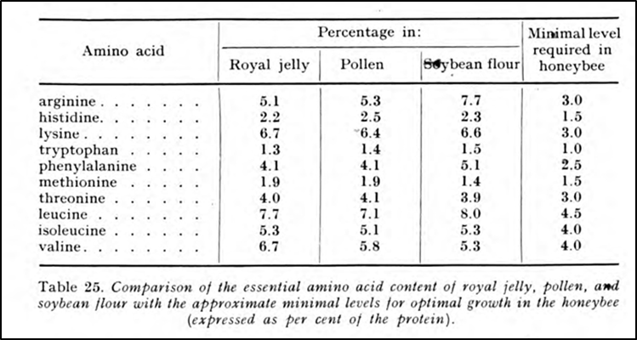
Arginine | 3 | 11%
Lysine | 3 | 11%
Threonine | 3 | 11%
Phenylalanine | 2.5 | 9%
Histidine | 1.5 | 5%
Methionine | 1.5 | 5%
Tryptophan | 1 | 4%
 |  | 100%

Feed ingredient profiles
Essential Amino Acid Proportions of feedstuffs (normalized to leucine). In order to increase the proportion of a particular amino acid, look for an ingredient below that has a tall column for that amino acid.
 | Formulated diet or pollen type (enter 100% above) | de Groot suggested ratio | Soy flour* (variable) | Soy protein isolate | Corn gluten meal | Brewtech yeast | Brewers yeast | Pea Protein (variable) | Dried Egg Yolk* | Dried egg white* | Skim milk powder | Casein
Arginine |  | 0.7 | 0.9 | 0.6 | 0.2 | 0.8 | 0.5 | 1.3 | 0.8 | 0.7 | 0.4 | 0.4
Histidine |  | 0.3 | 0.3 | 0.3 | 0.1 | 0.3 | 0.3 | 0.3 | 0.3 | 0.3 | 0.3 | 0.3
Isoleucine |  | 0.9 | 0.6 | 0.5 | 0.3 | 0.6 | 0.5 | 0.5 | 0.6 | 0.7 | 0.6 | 0.6
Leucine |  | 1.0 | 1.0 | 1.0 | 1.0 | 1.0 | 1.0 | 1.0 | 1.0 | 1.0 | 1.0 | 1.0
Lysine |  | 0.7 | 0.8 | 0.7 | 0.1 | 0.9 | 0.8 | 1.2 | 0.9 | 0.7 | 0.8 | 0.4
Methionine + cysteine |  | 0.3 | 0.4 | 0.2 | 0.3 | 0.2 | 0.2 | 0.2 | 0.3 | 0.4 | 0.4 | 0.3
Phenylalanine + tyrosine |  | 0.6 | 1.1 | 0.7 | 0.7 | 0.6 | 0.5 | 1.1 | 0.5 | 0.7 | 1.0 | 0.6
Threonine |  | 0.7 | 0.5 | 0.4 | 0.2 | 0.7 | 0.5 | 0.5 | 0.6 | 0.5 | 0.5 | 0.5
Tryptophan |  | 0.2 | 0.4 | 0.2 | 0.0 | 0.2 | 0.1 | 0.1 | 0.1 | 0.2 | 0.1 | 0.1
Valine |  | 0.9 | 0.6 | 0.5 | 0.3 | 0.8 | 0.7 | 0.5 | 0.6 | 0.9 | 0.7 | 0.7
 |  |  |  |  |  |  |  |  |  |  |  |  |  |  |  | A great source for feed information is:
 |  |  |  |  |  |  |  |  |  |  |  |  |  |  |  | https://www.feedtables.com
 |  |  |  |  |  |  |  |  |  |  |  |  |  |  |  | If you add any to the calculator, be sure to click the button below:

 |  |  |  |  |  |  |  |  |  |  |  |  |  |  |  | Then go way down to:
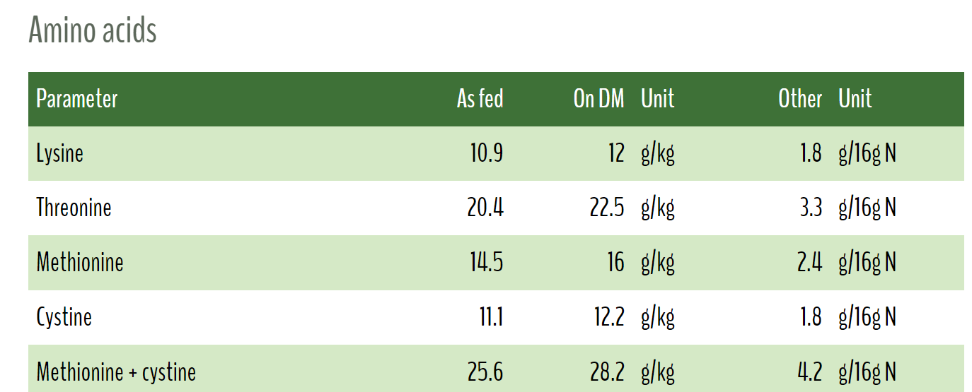

 |  |  |  |  |  |  |  |  |  |  |  |  |  |  |  | Use the "As Fed" figure, divided by 10 to obtain g/100 g (use the combined figures for methionine and phenylalanine)
 |  |  |  |  |  |  |  |  |  |  |  |  |  |  |  | Cut and paste the above table on the FeedTables tab, and it will calculate for you.

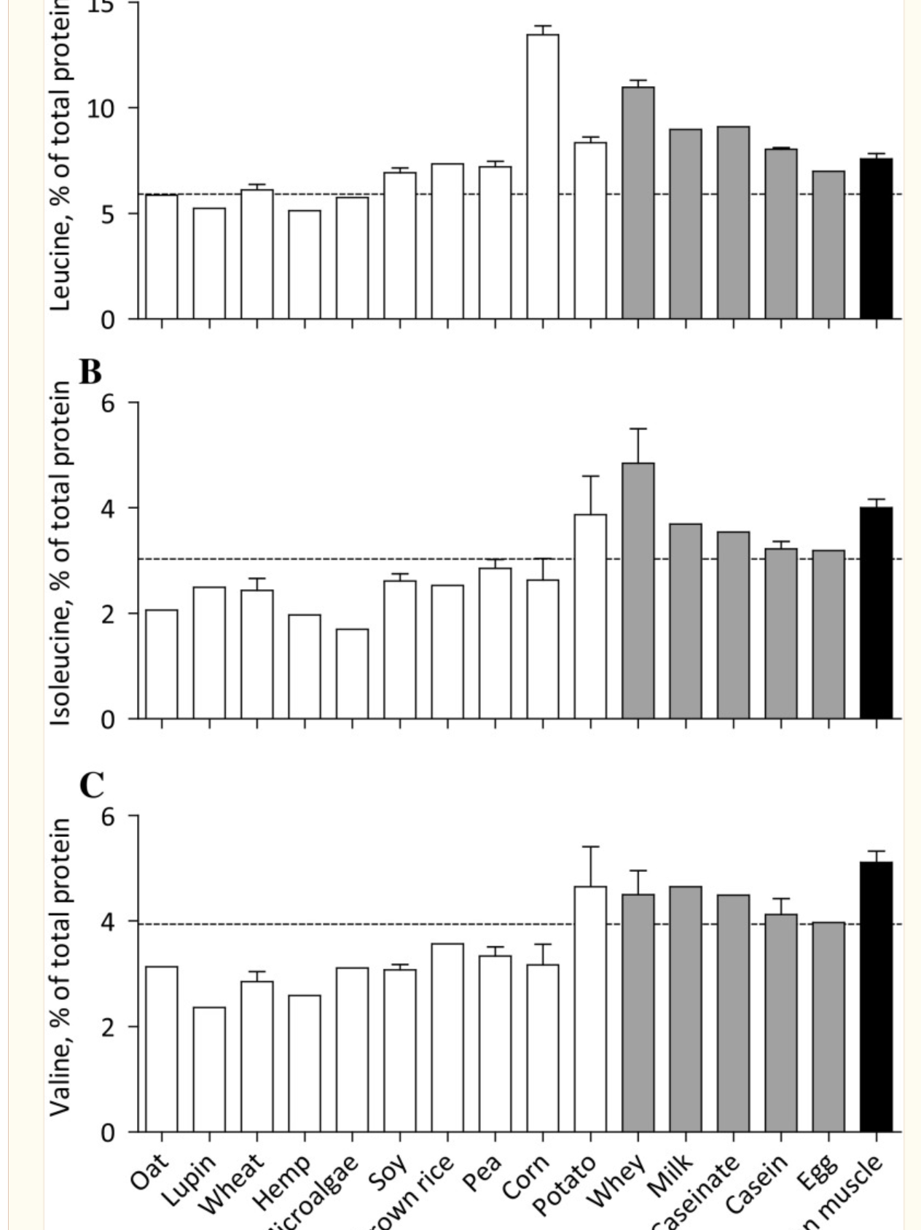
 | Formulated diet or pollen type (enter 100% above) | de Groot suggested ratio | Soy flour* (variable) | Soy protein isolate | Corn gluten meal | Brewtech yeast | Brewers yeast | Pea Protein (variable) | Dried Egg Yolk* | Dried egg white* | Skim milk powder | Casein | Spirulina | Potato protein meal | Hemp seed meal (variable) |  | Randy's Suggested Target Ratio | de Groot suggested ratio relative to tryptophan
Arginine |  | 0.7 | 3.71 | 6.73 | 3 | 2.02 | 4.5 | 9.8 | 2.44 | 4.81 | 1.3 | 3.7 | 4.15 | 4.98 | 5.3 |  | 3.5 | 3
Histidine |  | 0.3 | 1.37 | 3.4 | 2 | 0.89 | 2.3 | 2.4 | 0.89 | 1.87 | 0.98 | 3 | 1.08 | 2 | 1.1 |  | 2 | 1.5
Isoleucine |  | 0.9 | 2.2 | 5.33 | 4 | 1.61 | 4.5 | 3.4 | 1.73 | 5.02 | 2.18 | 5.1 | 3.21 | 5.3 | 1.0 |  | 4 | 4
Leucine |  | 1.0 | 3.94 | 10.64 | 15.9 | 2.58 | 8.5 | 7.3 | 3.01 | 7.17 | 3.54 | 9 | 4.95 | 9.89 | 2.6 |  | 5.5 | 4.5
Lysine |  | 0.7 | 3.3 | 7.24 | 1.7 | 2.34 | 6.4 | 8.4 | 2.72 | 5.08 | 2.86 | 3.8 | 3.02 | 8.12 | 1.4 |  | 4.5 | 3
Methionine + cysteine |  | 0.3 | 1.45 | 2.53 | 4.2 | 0.62 | 1.7 | 1.5 | 0.85 | 3.2 | 1.32 | 2.7 | 1.812 | 3.23 | 1.2 |  | 2 | 1.5
Phenylalanine + tyrosine |  | 0.6 | 4.19 | 7.36 | 10.9 | 1.54 | 4.4 | 8.3 | 1.45 | 5.18 | 3.48 | 5.1 | 5.357 | 11.52 | 3.1 |  | 4.5 | 2.5
Threonine |  | 0.7 | 2.05 | 4.61 | 3.3 | 1.7 | 4.4 | 4.0 | 1.82 | 3.67 | 1.63 | 4.3 | 2.97 | 5.71 | 1.3 |  | 3 | 3
Tryptophan |  | 0.2 | 1.68 | 1.77 | 0.5 | 0.62 | 0.52 | 0.4 | 0.4 | 1.27 | 0.51 | 1.3 | 0.929 | 1.8 | 0.3 |  | 1 | 1
Valine |  | 0.9 | 2.3 | 5.7 | 4.5 | 2.04 | 5.8 | 3.9 | 1.91 | 6.17 | 2.42 | 6.6 | 3.512 | 6.29 | 1.3 |  | 4.5 | 4

 | Normalized to leucine
 | Formulated diet or pollen type (enter 100% above) | de Groot suggested ratio | Soy flour* (variable) | Soy protein isolate | Corn gluten meal | Brewtech yeast | Brewers yeast | Pea Protein (variable) | Dried Egg Yolk* | Dried egg white* | Skim milk powder | Casein | Spirulina | Potato protein meal | Hemp seed meal (variable)
Arginine |  | 0.7 | 0.9 | 0.6 | 0.2 | 0.8 | 0.5 | 1.3 | 0.8 | 0.7 | 0.4 | 0.4 | 0.8 | 0.5 | 2.0
Histidine |  | 0.3 | 0.3 | 0.3 | 0.1 | 0.3 | 0.3 | 0.3 | 0.3 | 0.3 | 0.3 | 0.3 | 0.2 | 0.2 | 0.4
Isoleucine |  | 0.9 | 0.6 | 0.5 | 0.3 | 0.6 | 0.5 | 0.5 | 0.6 | 0.7 | 0.6 | 0.6 | 0.6 | 0.5 | 0.4
Leucine |  | 1.0 | 1.0 | 1.0 | 1.0 | 1.0 | 1.0 | 1.0 | 1.0 | 1.0 | 1.0 | 1.0 | 1.0 | 1.0 | 1.0
Lysine |  | 0.7 | 0.8 | 0.7 | 0.1 | 0.9 | 0.8 | 1.2 | 0.9 | 0.7 | 0.8 | 0.4 | 0.6 | 0.8 | 0.5
Methionine + cysteine |  | 0.3 | 0.4 | 0.2 | 0.3 | 0.2 | 0.2 | 0.2 | 0.3 | 0.4 | 0.4 | 0.3 | 0.4 | 0.3 | 0.5
Phenylalanine + tyrosine |  | 0.6 | 1.1 | 0.7 | 0.7 | 0.6 | 0.5 | 1.1 | 0.5 | 0.7 | 1.0 | 0.6 | 1.1 | 1.2 | 1.2
Threonine |  | 0.7 | 0.5 | 0.4 | 0.2 | 0.7 | 0.5 | 0.5 | 0.6 | 0.5 | 0.5 | 0.5 | 0.6 | 0.6 | 0.5
Tryptophan |  | 0.2 | 0.4 | 0.2 | 0.0 | 0.2 | 0.1 | 0.1 | 0.1 | 0.2 | 0.1 | 0.1 | 0.2 | 0.2 | 0.1
Valine |  | 0.9 | 0.6 | 0.5 | 0.3 | 0.8 | 0.7 | 0.5 | 0.6 | 0.9 | 0.7 | 0.7 | 0.7 | 0.6 | 0.5

 |  |  |  |  |  |  |  |  |  |  |  |  |  |  |  |  |  |  | https://www.ncbi.nlm.nih.gov/pmc/articles/PMC6245118/

Formulated diets
Below are the EAA analyses of the formulated diets that I tested in 2020
If necessary, unlock with the password sb |  |  |  |  |  |  |  |  |  |  |  |  | Sample | Fat / lipid % | Fiber % | Protein %
Raw analysis g/100 g of patty |  |  |  |  |  |  |  |  |  |  |  | UltraBee | 1-O | 3.48 | 1.22 | 22
EAA | Global | Homebrew | Bulk Soft | AP23 | MegaBee | UltraBee | Healthy Bee | de Groot |  |  |  | Global | 2-B | 0.21 | 1.16 | 16.6
Arginine | 0.94 | 1.3 | 0.721 | 0.547 | 0.882 | 0.778 | 0.696 | 3.00 |  |  |  | Bulk Soft | 3-S | 2.83 | 1.4 | 16.1
Histidine | 0.41 | 0.505 | 0.324 | 0.288 | 0.472 | 0.444 | 0.282 | 1.50 |  |  |  | MegaBee | 4-Y | 0.51 | 1.42 | 21.6
Isoleucine | 0.733 | 0.944 | 0.636 | 0.638 | 0.854 | 0.835 | 0.69 | 4.00 |  |  |  | AP23 | 5-P | 1.07 | 0.75 | 14.7
Leucine | 1.234 | 1.514 | 1.544 | 1.414 | 2.457 | 2.684 | 1.661 | 4.50 |  |  |  | Homebrew | 6-R | 1.08 | 0.61 | 20.9
Lysine | 0.993 | 2.02 | 1.465 | 0.821 | 0.765 | 1.975 | 0.487 | 3.00 |  |  |  | Healthy Bee | 7-G | 0.96 | 0.62 | 15.3
Methionine | 0.247 | 0.258 | 0.222 | 0.332 | 0.393 | 0.401 | 0.343 | 1.50
Cysteine | 0.21 | 0.25 | 0.206 | 0.165 | 0.307 | 0.323 | 0.155 |  |  |  |  |  | Global | Homebrew | Bulk Soft | AP23 | MegaBee | UltraBee | Healthy Bee
Phenylalanine | 0.764 | 0.991 | 0.768 | 0.684 | 1.123 | 1.163 | 0.768 | 2.50 |  |  |  |  | 16.6 | 20.9 | 16.1 | 14.7 | 21.6 | 22.0 | 15.3
Tyrosine | 0.392 | 0.393 | 0.508 | 0.328 | 0.503 | 0.584 | 0.362
Threonine | 0.622 | 0.807 | 0.553 | 0.571 | 0.745 | 0.727 | 0.6 | 3.00
Tryptophan | 0.212 | 0.257 | 0.142 | 0.129 | 0.172 | 0.161 | 0.141 | 1.00
Valine | 0.818 | 1.018 | 0.718 | 0.778 | 1.006 | 0.963 | 0.78 | 4.00

Correlation between frames of bees to almonds and sum of de Groot EAA deficiencies in the pollen sub
Use the data in the yellow cells to enter into the calculator (paste as numbers)
 | EAAs (meth and phenyl combined)
 | Global | Homebrew | Bulk Soft | AP23 | MegaBee | UltraBee | Healthy Bee | de Groot | Other | Bee Pro
Tot prot | 16.6% | 20.9% | 16.1% | 14.7% | 21.6% | 22.0% | 15.3%
Arginine | 0.94 | 1.30 | 0.72 | 0.55 | 0.88 | 0.78 | 0.70 | 3.00 | 2.81 | 2.81
Histidine | 0.41 | 0.51 | 0.32 | 0.29 | 0.47 | 0.44 | 0.28 | 1.50 | 1.08 | 1.08
Isoleucine | 0.73 | 0.94 | 0.64 | 0.64 | 0.85 | 0.84 | 0.69 | 4.00 | 1.96 | 1.96
Leucine | 1.23 | 1.51 | 1.54 | 1.41 | 2.46 | 2.68 | 1.66 | 4.50 | 3.23 | 3.23
Lysine | 0.99 | 2.02 | 1.47 | 0.82 | 0.77 | 1.98 | 0.49 | 3.00 | 2.73 | 2.73
Methionine + cysteine | 0.46 | 0.51 | 0.43 | 0.50 | 0.70 | 0.72 | 0.50 | 1.50 | 1.24 | 1.24
Phenylalanine + tyrosine | 1.16 | 1.38 | 1.28 | 1.01 | 1.63 | 1.75 | 1.13 | 2.50 | 3.47 | 3.47
Threonine | 0.62 | 0.81 | 0.55 | 0.57 | 0.75 | 0.73 | 0.60 | 3.00 | 1.72 | 1.72
Tryptophan | 0.21 | 0.26 | 0.14 | 0.13 | 0.17 | 0.16 | 0.14 | 1.00 | 0.59 | 0.59
Valine | 0.82 | 1.02 | 0.72 | 0.78 | 1.01 | 0.96 | 0.78 | 4.00 | 2.10 | 2.1

 | EAAs (meth and phenyl combined) normalized to leucine by dividing by leucine
 | Global | Homebrew | Bulk Soft | AP23 | MegaBee | UltraBee | Healthy Bee | de Groot
Arginine | 0.76 | 0.86 | 0.47 | 0.39 | 0.36 | 0.29 | 0.42 | 0.67
Histidine | 0.33 | 0.33 | 0.21 | 0.20 | 0.19 | 0.17 | 0.17 | 0.33
Isoleucine | 0.59 | 0.62 | 0.41 | 0.45 | 0.35 | 0.31 | 0.42 | 0.89
Leucine | 1.00 | 1.00 | 1.00 | 1.00 | 1.00 | 1.00 | 1.00 | 1.00
Lysine | 0.80 | 1.33 | 0.95 | 0.58 | 0.31 | 0.74 | 0.29 | 0.67
Correlation between head & thorax mass and sum of de Groot EAA deficiencies in the pollen sub
Methionine + cysteine | 0.37 | 0.34 | 0.28 | 0.35 | 0.28 | 0.27 | 0.30 | 0.33 |  |  | Homebrew Recipe
Phenylalanine + tyrosine | 0.94 | 0.91 | 0.83 | 0.72 | 0.66 | 0.65 | 0.68 | 0.56 |  |  |  | Lbs | %
Threonine | 0.50 | 0.53 | 0.36 | 0.40 | 0.30 | 0.27 | 0.36 | 0.67 |  |  | Prosweet sucrose/HFCS syrup | 22 | 10%
Tryptophan | 0.17 | 0.17 | 0.09 | 0.09 | 0.07 | 0.06 | 0.08 | 0.22 |  |  | Water | 4.3 | 2%
Valine | 0.66 | 0.67 | 0.47 | 0.55 | 0.41 | 0.36 | 0.47 | 0.89 |  |  | Canola oil | 5 | 2%
 |  |  |  |  |  |  |  |  |  |  | Lysine concentrate | 5 | 2%
 | Proportional deficiency to de Groot (subtract 1 to obtain negative values) |  |  |  |  |  |  |  |  |  | Zinc chelate | 1.6 | 1%
 | Global | Homebrew | Bulk Soft | AP23 | MegaBee | UltraBee | Healthy Bee | de Groot |  |  | Honey B Healthy (lemongrass) | 2 | 1%
Arginine | 0.14 | 0.29 | -0.30 | -0.42 | -0.46 | -0.57 | -0.37 | 0.00 |  |  | Natural Pollen | 40 | 19%
Histidine | 0.00 | 0.00 | -0.37 | -0.39 | -0.42 | -0.50 | -0.49 | 0.00 |  |  | Brewtech yeast | 50 | 24%
Isoleucine | -0.33 | -0.30 | -0.54 | -0.49 | -0.61 | -0.65 | -0.53 | 0.00 |  |  | Soy isolate | 30 | 14%
Leucine | 0.00 | 0.00 | 0.00 | 0.00 | 0.00 | 0.00 | 0.00 | 0.00 |  |  | Toasted soy flour | 25 | 12%
Lysine | 0.21 | 1.00 | 0.42 | -0.13 | -0.53 | 0.10 | -0.56 | 0.00 |  |  | Sugar | 25 | 12%
Methionine + cysteine | 0.11 | 0.01 | -0.17 | 0.05 | -0.15 | -0.19 | -0.10 | 0.00 |  |  | Total | 209.9 | 100%
Phenylalanine + tyrosine | 0.69 | 0.65 | 0.49 | 0.29 | 0.19 | 0.17 | 0.22 | 0.00
Threonine | -0.24 | -0.20 | -0.46 | -0.39 | -0.55 | -0.59 | -0.46 | 0.00
Tryptophan | -0.23 | -0.24 | -0.59 | -0.59 | -0.68 | -0.73 | -0.62 | 0.00
Valine | -0.25 | -0.24 | -0.48 | -0.38 | -0.54 | -0.60 | -0.47 | 0.00
Sum <0 de Groot | 1.06 | 0.98 | 2.90 | 2.79 | 3.94 | 3.83 | 3.60 | 0.00
Total FOB to almonds | 123.00 | 133.25 | 88.00 | 87.75 | 74.50 | 71.50 | 41.25
Head & Thorax | 217.60 | 213.20 | 213.50 | 208.70 | 207.10 | 205.20 | 198.00
Sum >0 | 1.15 | 1.94 | 0.91 | 0.34 | 0.19 | 0.28 | 0.22

Royal jelly
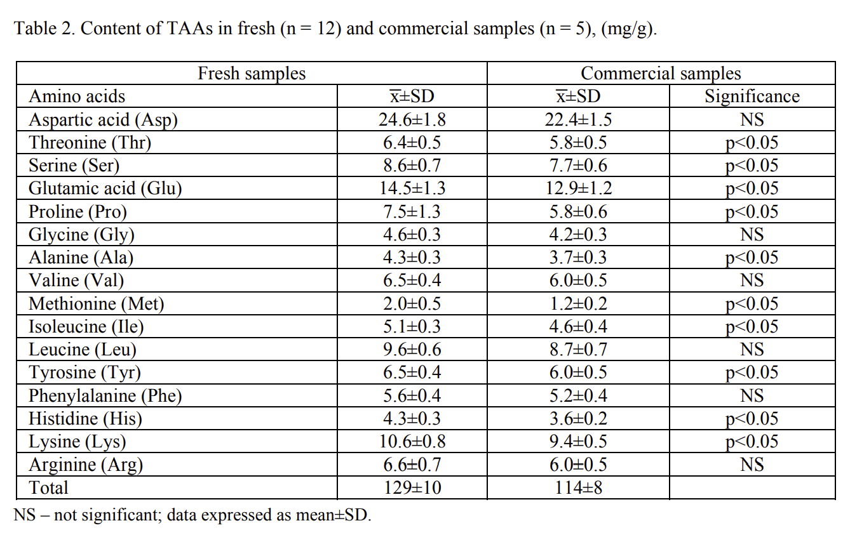
Balkanska |  |  |  |  | Others |  | Average
 |  |  | Normalized to leucine
 | Means mg/g
 |  | g/100g |  |  |  | g/100g
Arginine | 6.6 | 0.66 | 0.6 |  | 6.2 | 0.6 | 0.6
Histidine | 4.3 | 0.43 | 0.4 |  | 3.0 | 0.3 | 0.4
Isoleucine | 5.1 | 0.51 | 0.5 |  | 5.6 | 0.6 | 0.5
Leucine | 9.6 | 0.96 | 0.9 |  | 8.4 | 0.8 | 0.9
Lysine | 10.6 | 1.06 | 1.0 |  | 8.2 | 0.8 | 0.9
Methionine + cysteine | 2.02 | 0.202 | 0.2 |  | 2.1 | 0.2 | 0.2
Phenylalanine + tyrosine | 12.1 | 1.21 | 1.1 |  | 7.8 | 0.8 | 1.0
Threonine | 6.4 | 0.64 | 0.6 |  | 4.8 | 0.5 | 0.6
Tryptophan | 0.02 | 0.002 | 0.0 |  | 1.6 | 0.2 | 0.1
Valine | 6.5 | 0.65 | 0.6 |  | 6.7 | 0.7 | 0.7

Bull. Chem. Soc. Ethiop. 2015, 29(3), 485-490. ISSN 1011-3924 Printed in Ethiopia  2015 Chemical Society of Ethiopia DOI: http://dx.doi.org/10.4314/bcse.v29i3.16 __________ *Corresponding author. E-mail: r.balkanska@gmail.com SHORT COMMUNICATION DETERMINATION OF AMINO ACIDS AND PROTEIN CONTENT IN FRESH AND COMMERCIAL ROYAL JELLY FROM BULGARIA Ralitsa Balkanska1*and Ivanka Zhelyazkova2
 | 1 | mg | x | 100
 |  | g

FeedTables
 |  | Amino acids
 |  | Parameter | As fed | On DM | Unit | Other | Unit
 |  | Lysine | 8.2 | 8.4 | g/kg | 7.5 | g/16g N | Lysine | 0.82
 |  | Threonine | 6.1 | 6.2 | g/kg | 5.5 | g/16g N | Threonine | 0.61 | Arginine | 0.23
 |  | Methionine | 1.6 | 1.7 | g/kg | 1.5 | g/16g N | Methionine | 0.16 | Histidine | 0.21
 |  | Cystine | 1.9 | 2 | g/kg | 1.8 | g/16g N | Cystine | 0.19 | Isoleucine | 0.57
 |  | Methionine + cystine | 3.6 | 3.7 | g/kg | 3.3 | g/16g N | Methionine + cystine | 0.36 | Leucine | 0.89
 |  | Tryptophan | 1.5 | 1.6 | g/kg | 1.4 | g/16g N | Tryptophan | 0.15 | Lysine | 0.82
 |  | Isoleucine | 5.7 | 5.9 | g/kg | 5.3 | g/16g N | Isoleucine | 0.57 | Methionine + cysteine | 0.36
 |  | Valine | 5.4 | 5.6 | g/kg | 5 | g/16g N | Valine | 0.54 | Phenylalanine + tyrosine | 0.47
 |  | Leucine | 8.9 | 9.2 | g/kg | 8.2 | g/16g N | Leucine | 0.89 | Threonine | 0.61
 |  | Phenylalanine | 3.1 | 3.1 | g/kg | 2.8 | g/16g N | Phenylalanine | 0.31 | Tryptophan | 0.15
 |  | Tyrosine | 1.6 | 1.7 | g/kg | 1.5 | g/16g N | Tyrosine | 0.16 | Valine | 0.54
 |  | Phenylalanine + tyrosine | 4.7 | 4.8 | g/kg | 4.3 | g/16g N | Phenylalanine + tyrosine | 0.47
 |  | Histidine | 2.1 | 2.2 | g/kg | 1.9 | g/16g N | Histidine | 0.21
 |  | Arginine | 2.3 | 2.4 | g/kg | 2.1 | g/16g N | Arginine | 0.23
 |  | Alanine | 4.5 | 4.6 | g/kg | 4.1 | g/16g N | Alanine | 0.45
 |  | Aspartic acid | 9.6 | 9.9 | g/kg | 8.8 | g/16g N | Aspartic acid | 0.96
 |  | Glutamic acid | 16.5 | 16.9 | g/kg | 15.1 | g/16g N | Glutamic acid | 1.65
 |  | Glycine | 2 | 2.1 | g/kg | 1.9 | g/16g N | Glycine | 0.2
 |  | Serine | 4.7 | 4.8 | g/kg | 4.3 | g/16g N | Serine | 0.47
 |  | Proline | 3.9 | 4 | g/kg | 3.6 | g/16g N | Proline | 0.39

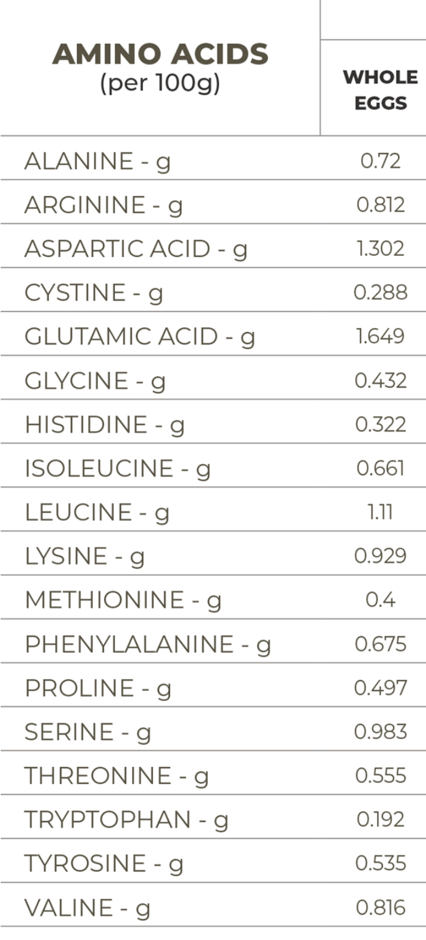

Arginine | 3.83 |  |  |  |  |  |  | soy flour 54% protein
Histidine | 1.33
Isoleucine | 2.4 |  |  |  |  |  |  | Alanine | 2.33 g
Leucine | 4.02 |  |  |  |  |  |  | Arginine | 3.83 g
Lysine | 3.29 |  |  |  |  |  |  | Aspartic acid | 6.21 g
Methionine + cysteine | 1.46 |  |  |  |  |  |  | Cystine | 0.79 g
Phenylalanine + tyrosine | 4.45 |  |  |  |  |  |  | Glutamic acid | 9.56 g
Threonine | 2.14 |  |  |  |  |  |  | Glycine | 2.28 g
Tryptophan | 0.72 |  |  |  |  |  |  | Histidine | 1.33 g
Valine | 2.46 |  |  |  |  |  |  | Hydroxyproline | ~
 |  |  |  |  |  |  |  | Isoleucine | 2.4 g
 |  |  |  |  |  |  |  | Leucine | 4.02 g
 |  |  |  |  |  |  |  | Lysine | 3.29 g
 |  |  |  |  |  |  |  | Methionine | 0.67 g
 |  |  |  |  |  |  |  | Methionine | 0.67 g
 |  |  |  |  |  |  |  | Phenylalanine | 2.58 g
 |  |  |  |  |  |  |  | Phenylalanine | 2.58 g
 |  |  |  |  |  |  |  | Proline | 2.89 g
 |  |  |  |  |  |  |  | Serine | 2.86 g
 |  |  |  |  |  |  |  | Threonine | 2.14 g
 |  |  |  |  |  |  |  | Tryptophan | 0.72 g
 |  |  |  |  |  |  |  | Tyrosine | 1.87 g
 |  |  |  |  |  |  |  | Valine | 2.46 g

